Hive
Financial Metrics
 | mkt cap | share price | shares outstanding | cash | debt
 | $503,172,500 | $2.81 | 118,690,400 | $25,600,000 | $46,401,000 |  |  |  |  |  |  | $56,076.00 |  |  | value key
 |  |  |  |  |  |  |  |  |  |  |  | $2,341.40 |  |  | HPC (h-100's)per card | $30,000
 |  |  |  |  |  |  |  |  |  |  |  |  |  |  | raw power \and secured | $300,000
Mining Metrics |  |  |  |  |  |  |  |  |  |  | miner price index |  |  |  | operating btc mine infrastructure | $750,000
 | BTC HODL | Market Value | BTC as % of MC | MW opperating | MW owned |  |  |  |  |  | under 25 J/TH | $12.79 |  |  | operating btc that can be converted to ppc with only redundancy added | $1,500,000
 | 2533 | $142,040,508 | 28.2% | 142 | 346 |  |  |  |  |  | 25-38 J/TH | $6.38 |  |  | ppc tier 2 or higher | $2,500,000
 |  |  |  |  |  |  |  |  |  |  | 38-69 J/TH | $2.56

Fleet Efficiency (Self-Mining only)
 | efficiency rate (J/Th) | c/kWh | deployed fleet | TH/ miner | Deployed EH/s | EH/s by 2025
 | 28.98 | 4.5 | 38,000 | 128.95 | 4.9 | 12

Salvage/ Intrinsic Value
 | value of miners | value of HPC | opperating BTC infra. value | hpc infra. tier 2 or higher | raw power \ land secured | operating btc that can be converted to hpc with only redundancy added | PPA value | PPA detail | BTC HODL (USD) | ETH (USD) | cash | asset value | debt & other liablities | salvage ratio
 | $31,262,000 | $69,800,000 | $106,500,000 | $80,000,000 | $61,200,000 | $45,000,000 | $100,000,000 | n/a | $142,040,508 | $0 | $25,600,000 | $661,402,508 | $46,401,000 | 1.22
 | BTC HODL
Jan-24 | 1939
Feb-24 | 2131
Mar-24 | 2287
Apr-24 | 2377
May-24 | 2451
Jun-24 | 2496
Jul-24 | 2533
 | Energized hashrate EH/S
Jan-24 | 4.1
Feb-24 | 4.2
Mar-24 | 4.7
Apr-24 | 5
May-24 | 5
Jun-24 | 4.9
Jul-24 | 4.7
 | Revenue per TH/s
Jan-24 | $2.50
Feb-24 | $2.90
Mar-24 | $3.40
Apr-24 | $2.65
May-24 | $1.65
Jun-24 | $1.59
Jul-24 | $1.59
`

Hut8
Financial Metrics
 | mkt cap | share price | shares outstanding | cash | debt
 | $1,243,949,000 | $9.09 | 91,011,110 | $175,476,000 | $418,655,000 |  |  |  |  |  |  | $56,076.00 |  |  | value key
 |  |  |  |  |  |  |  |  |  |  |  | $2,341.40 |  |  | HPC (h-100's)per card | $30,000
 |  |  |  |  |  |  |  |  |  |  |  |  |  |  | raw power \and secured | $300,000
Mining Metrics |  |  |  |  |  |  |  |  |  |  | miner price index |  |  |  | operating btc mine infrastructure | $750,000
 | BTC HODL | Market Value | BTC as % of MC | MW opperating (self) | MW owned | MW under management |  |  |  |  | under 25 J/TH | $12.79 |  |  | operating btc that can be converted to ppc with only redundancy added | $1,500,000
 | 9102 | $510,403,752.00 | 41% | 182 | 1075 | 582 |  |  |  |  | 25-38 J/TH | $6.38 |  |  | ppc tier 2 or higher | $2,500,000
 |  |  |  |  |  |  |  |  |  |  | 38-69 J/TH | $2.56

Fleet Efficiency (Self-Mining only)
 | efficiency rate (J/Th) | c/kWh | deployed fleet | TH/ miner | Deployed EH/s | EH/s by 2025
 | 33.1 | 3.2 | 58200 | 94.50 | 5.5 | 7.5

Salvage/ Intrinsic Value
 | value of miners | value of HPC | operating BTC infra. value | hpc infra. tier 2 or higher | raw power \ land secured | op. btc that can be converted to hpc with only redundancy added | PPA value | PPA detail | BTC HODL (USD) | ETH (USD) | cash | asset value | debt & other liablities | salvage ratio
 | $35,090,000 | not disclosed (3MW) | $136,500,000 | $0 | $267,900,000 | $0 | $100,000,000 | n/a | $510,403,752 | $0 | $175,476,000 | $1,225,369,752 | $418,655,000 | 0.65
 | Energized hashrate EH/S
Jan-24 | 7.2
Feb-24 | 7.2
Mar-24 | 7.2
Apr-24 | 7.2
May-24 | 5.5
Jun-24 | 5.7
Jul-24 | 4.7
 | revenue per TH/s
Jan-24 | $2.00
Feb-24 | $2.50
Mar-24 | $3.10
Apr-24 | $1.25
May-24 | $1.00
Jun-24 | $1.20
Jul-24 | $1.20
 | BTC HODL
Jan-24 | 9195
Feb-24 | 9110
Mar-24 | 9102
Apr-24 | 9109
May-24 | 9103
Jun-24 | 9105
Jul-24 | 9102

Wulf
Financial Metrics |  |  |  |  |  |  |  | $56,076.00 |  | value key
 | mkt cap | share price | shares outstanding | cash | debt |  |  | $2,341.40 |  | HPC (h-100's)per card | $30,000
 | $1,461,522,832 | $3.82 | 382,597,600 | $104,100,000 | $-
 |  |  |  |  |  |  |  |  |  | raw power\land | $300,000
 |  |  |  |  |  |  | miner price index |  |  | op. btc infrastructure | $750,000
Mining Metrics |  |  |  |  |  |  | under 25 J/TH | $12.79 |  | convertible to hpc w/ redundancy | $1,500,000
 | BTC HODL | Market Value | BTC as % of MC | MW opperating | MW owned |  | 25-38 J/TH | $6.38 |  | ppc tier 2 or higher | $2,500,000
 | 0 | $- | 0.00% | 245 | 600
 |  |  |  |  |  |  | 38-69 J/TH | $2.56

Fleet Efficiency (Self-Mining only)
 | efficiency rate (J/Th) | c/kWh | deployed fleet | TH/ miner | Deployed EH/s | EH/s by YE 2025
 | 24.50 | 3.7 | 59,890 | 166.97 | 10 | 16

Salvage/ Intrinsic Value
 | value of miners | value of HPC | opperating BTC infra. value | hpc infra. tier 2 or higher | raw power \ land secured | op. btc that can be converted to hpc with only redundancy added | PPA value | PPA detail | BTC HODL (USD) | cash | asset value | debt & other liablities | salvage ratio
 | $127,900,000 | $3,840,000 | $183,750,000 | $6,250,000 | $106,500,000 | $105,000,000 | $100,000,000 | details | $0 | $104,100,000 | $737,340,000 | $- | 0.50

 | Energized hashrate EH/S
Jan-24 | 7.1
Feb-24 | 7.9
Mar-24 | 8
Apr-24 | 8
May-24 | 8
Jun-24 | 8.8
Jul-24 | 10
 | revenue per TH/s
Jan-24 | $2.20
Feb-24 | $2.40
Mar-24 | $3.40
Apr-24 | $2.88
May-24 | $1.51
Jun-24 | $1.31
Jul-24 | $1.26

RIOT
Financial Metrics |  |  |  |  |  |  |  | $56,076.00 |  | value key
 | mkt cap | share price | shares outstanding | cash | debt | BiFarm ownership |  | $2,341.40 |  | HPC (h-100's)per card | $30,000
 | $2,057,893,398 | $6.78 | 303,524,100 | $481,000,000 | $139,000,000 | $167,188,000 |  |  |  | raw power\land | $300,000
 |  |  |  |  |  |  |  |  |  | op. btc infrastructure | $750,000
 |  |  |  |  |  |  | miner price index |  |  | convertible to hpc w/ redundancy | $1,500,000
Mining Metrics |  |  |  |  |  |  | under 25 J/TH | $12.79 |  | ppc tier 2 or higher | $2,500,000
 | BTC HODL | Market Value | BTC as % of MC | MW opperating | MW owned | total MW ready to plug in | 25-38 J/TH | $6.38
 | 9,704 | $544,161,504 | 26.44% | 614 | 2,005 | 960
 |  |  |  |  |  |  | 38-69 J/TH | $2.56

Fleet Efficiency (Self-Mining only)
 | efficiency rate (J/Th) | c/kWh | deployed fleet | TH/ miner | Deployed EH/s | EH/s by YE 2024
 | 26.70 | 2.7 | 113,000 | 203.54 | 23 | 36

Salvage/ Intrinsic Value
 | value of miners | value of HPC | opperating BTC infra. value | hpc infra. tier 2 or higher | raw power \ land secured | op. btc that can be converted to hpc with only redundancy added | PPA value | PPA detail | BTC HODL (USD) | cash | asset value | debt & other liablities | salvage ratio
 | $294,170,000 | $0 | $460,500,000 | $0 | $417,300,000 | $0 | $100,000,000 | details | $544,161,504 | $481,000,000 | $2,464,319,504 | $139,000,000 | 1.13

 | Energized hashrate EH/S
Jan-24 | 12.4
Feb-24 | 12.4
Mar-24 | 12.4
Apr-24 | 12.4
May-24 | 14.7
Jun-24 | 22
Jul-24 | 15.5
 | revenue per TH/s
Jan-24 | $2.10
Feb-24 | $2.20
Mar-24 | $2.60
Apr-24 | $1.97
May-24 | $1.48
Jun-24 | $1.06
Jul-24 | $1.17
 | BTC HODL
Jan-24 | 7648
Feb-24 | 8067
Mar-24 | 8490
Apr-24 | 8872
May-24 | 9084
Jun-24 | 9334
Jul-24 | 9704
 | BTC per EH/s
Jan-24 | 41.9
Feb-24 | 33.7
Mar-24 | 49.4
Apr-24 | 42.6
May-24 | 24.4
Jun-24 | 22.4
Jul-24 | 23.9

 |  | riot ownership
 | $1.96 | 85300000

IREN
Financial Metrics |  |  |  |  |  |  |  | $56,076.00 |  | value key
 | mkt cap | share price | shares outstanding | cash | debt |  |  | $2,341.40 |  | HPC (h-100's)per card | $30,000
 | $1,306,488,090 | $6.90 | 189,346,100 | $404,600,000 | $- |  |  |  |  | raw power\land | $300,000
 |  |  |  |  |  |  |  |  |  | op. btc infrastructure | $750,000
 |  |  |  |  |  |  | miner price index |  |  | convertible to hpc w/ redundancy | $1,500,000
Mining Metrics |  |  |  |  |  |  | under 25 J/TH | $12.79 |  | ppc tier 2 or higher | $2,500,000
 | BTC HODL | Market Value | BTC as % of MC | MW opperating | MW owned | Secured power capacity | 25-38 J/TH | $6.38
 | 0 | $- | 0.00% | 300 | 3150 | 2310
 |  |  |  |  |  |  | 38-69 J/TH | $2.56

Fleet Efficiency (Self-Mining only)
 | efficiency rate (J/Th) | c/kWh | deployed fleet | TH/ miner | Deployed EH/s | EH/s by YE 2024
 | 20.00 | 3.5 | 76,105 | 197.10 | 15 | 30

Salvage/ Intrinsic Value
 | value of miners | value of HPC | opperating BTC infra. value | hpc infra. tier 2 or higher | raw power \ land secured | op. btc that can be converted to hpc with only redundancy added | PPA value | PPA detail | BTC HODL (USD) | cash | asset value | debt & other liablities | salvage ratio
 | $191,850,000 | $24,480,000 | $225,000,000 | $0 | $855,000,000 | $450,000,000 | $100,000,000 | details | $0 | $404,600,000 | $2,250,930,000 | $- | 1.72
 | Energized hashrate EH/S
Jan-24 | 6.2
Feb-24 | 7
Mar-24 | 8
Apr-24 | 9.4
May-24 | 10
Jun-24 | 10
Jul-24 | 9
Aug-24 | 15
 | revenue per TH/s
Jan-24 | $2.50
Feb-24 | $2.40
Mar-24 | $3.30
Apr-24 | $2.68
May-24 | $1.55
Jun-24 | $1.57
Jul-24 | $1.37
Aug-24,unknown
 | BTC per EH/s
Jan-24 | 60.4
Feb-24 | 49.2
Mar-24 | 49.7
Apr-24 | 43.5
May-24 | 24.4
Jun-24 | 25
Jul-24 | 24.6
Aug-24,unknown

BTBT
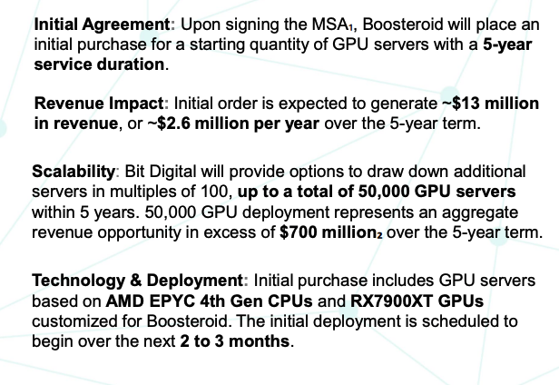
Financial Metrics |  |  |  |  |  |  |  | $56,076.00 |  | value key
 | mkt cap | share price | shares outstanding | cash | debt |  |  | $2,341.40 |  | HPC (h-100's)per card | $30,000
 | $418,252,492 | $2.83 | 147,792,400 | $59,000,000 | $20,215,643 |  |  |  |  | raw power\land | $300,000
 |  |  |  |  |  |  |  |  |  | op. btc infrastructure | $750,000
 |  |  |  |  |  |  |  | miner price index |  | convertible to hpc w/ redundancy | $1,500,000
Mining Metrics |  |  |  |  |  |  |  | under 25 J/TH | $12.79 | ppc tier 2 or higher | $2,500,000
 | ETH HODL | BTC HODL | Market Value | Crypto holdings as % of mkt cap | MW opperating | MW owned |  | 25-38 J/TH | $6.38
 | 27227 | 586 | $32,860,536 | 15.24% | 75 | 0 |  | 38-69 J/TH | $2.56
 | 15.24% | 7.86%

Fleet Efficiency (Self-Mining only)
 | efficiency rate (J/Th) | cost of energy / BTC | c/kWh | deployed fleet | TH/ miner | Deployed EH/s | EH/s YE24
 | 28.85 | $30,200 | 4.7 | 50,000 | 52.00 | 2.6 | 6

Salvage/ Intrinsic Value
 | value of miners | value of HPC | opperating BTC infra. value | hpc infra. tier 2 or higher | raw power \ land secured | op. btc that can be converted to hpc with only redundancy added | PPA value | ETH HODL (USD) | BTC HODL (USD) | cash | asset value | debt & other liablities | salvage ratio
 | $16,588,000 | $38,400,000 | $0 | $0 | $0 | $0 | $100,000,000 | $63,749,298 | $32,860,536 | $59,000,000 | $310,597,834 | $20,215,643 | 0.69

 |  |  |  | AI Pipeline

Cathedra
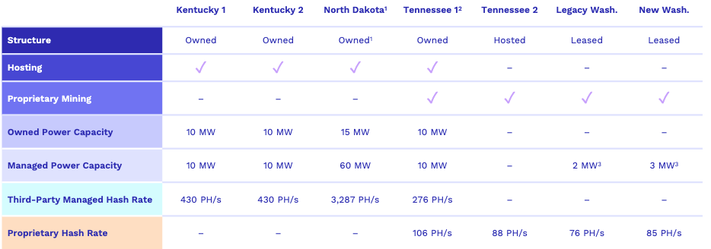
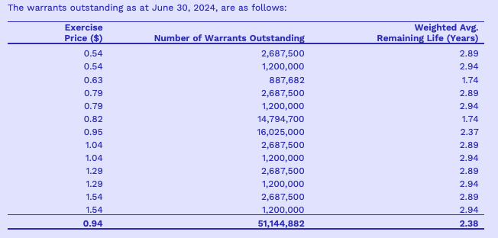
Financial Metrics |  |  |  |  |  |  |  | $56,076.00 |  | value key
 | mkt cap | share price | shares outstanding | cash | debt |  |  | $2,341.40 |  | HPC (h-100's)per card | $30,000 |  |  | Warrants June/30/24
 | $20,769,588 | $0.085 | 244,348,100 | $1,024,293 | $9,196,593 |  |  |  |  | raw power\land | $300,000
 |  |  |  |  |  |  |  |  |  | op. btc infrastructure | $750,000
 |  |  |  |  |  |  | miner price index |  |  | convertible to hpc w/ redundancy | $1,500,000
Mining Metrics |  |  |  |  |  |  | under 25 J/TH | $12.79 |  | ppc tier 2 or higher | $2,500,000
 | BTC HODL | Market Value | BTC as % of MC | MW opperating | MW owned |  | 25-38 J/TH | $6.38
 | 47 | $2,635,572 | 12.69% | 9.4 | 45
 |  |  |  |  |  |  | 38-69 J/TH | $2.56

Fleet Efficiency (Self-Mining only)
 | efficiency rate (J/Th) | c/kWh | deployed fleet | TH/ miner | Deployed EH/s | EH/s by YE 2024
 | 26.86 | 4.3 | 4,364 | 80.20 | 0.35 | No specified #

Salvage/ Intrinsic Value
 | value of miners | value of HPC | opperating BTC infra. value | hpc infra. tier 2 or higher | raw power \ land secured | op. btc that can be converted to hpc with only redundancy added | PPA value | PPA detail | BTC HODL (USD) | cash | asset value | debt & other liablities | salvage ratio
 | $2,233,000 | $0 | $7,050,000 | $0 | $10,680,000 | $0 | $0 | details | $2,635,572 | $1,024,293 | $23,622,865 | $9,196,593 | 0.69

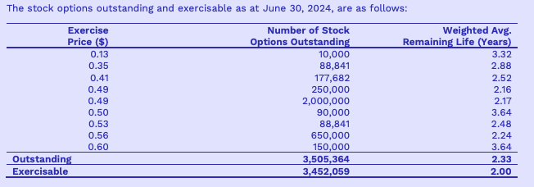
 |  |  |  |  |  |  |  |  |  |  |  |  |  | Stock options Outstanding June/30/24
 | Sites

monthly data
HIVE
Energized hashrate EH/S
Jan-24 | Feb-24 | Mar-24 | Apr-24 | May-24 | Jun-24 | Jul-24
4.1 | 4.2 | 4.7 | 5 | 5 | 4.9 | 4.7
revenue per TH/s
Jan-24 | Feb-24 | Mar-24 | Apr-24 | May-24 | Jun-24 | Jul-24
$2.50 | $2.90 | $3.40 | $2.65 | $1.65 | $1.59 | $1.59
BTC HODL
Jan-24 | Feb-24 | Mar-24 | Apr-24 | May-24 | Jun-24 | Jul-24
1939 | 2131 | 2287 | 2377 | 2451 | 2496 | 2533

HUT8
Energized hashrate EH/S
Jan-24 | Feb-24 | Mar-24 | Apr-24 | May-24 | Jun-24 | Jul-24
7.2 | 7.2 | 7.2 | 7.2 | 5.5 | 5.7 | 4.7
revenue per TH/s
Jan-24 | Feb-24 | Mar-24 | Apr-24 | May-24 | Jun-24 | Jul-24
$2.00 | $2.50 | $3.10 | $1.25 | $1.00 | $1.20 | $1.20
BTC HODL
Jan-24 | Feb-24 | Mar-24 | Apr-24 | May-24 | Jun-24 | Jul-24
9195 | 9110 | 9102 | 9109 | 9103 | 9105 | 9102

WULF
Energized hashrate EH/S
Jan-24 | Feb-24 | Mar-24 | Apr-24 | May-24 | Jun-24 | Jul-24
7.1 | 7.9 | 8 | 8 | 8 | 8.8 | 10
revenue per TH/s
Jan-24 | Feb-24 | Mar-24 | Apr-24 | May-24 | Jun-24 | Jul-24
$2.20 | $2.40 | $3.40 | $2.88 | $1.51 | $1.31 | $1.26

RIOT
Energized hashrate EH/S
Jan-24 | Feb-24 | Mar-24 | Apr-24 | May-24 | Jun-24 | Jul-24
12.4 | 12.4 | 12.4 | 12.4 | 14.7 | 22 | 15.5
revenue per TH/s
Jan-24 | Feb-24 | Mar-24 | Apr-24 | May-24 | Jun-24 | Jul-24
 | BTC per EH/s
Jan-24 | 60.4
Feb-24 | 49.2
Mar-24 | 49.7
Apr-24 | 43.5
May-24 | 24.4
Jun-24 | 25
Jul-24 | 24.6
Aug-24,unknown
$2.10 | $2.20 | $2.60 | $1.97 | $1.48 | $1.06 | $1.17
BTC HODL
Jan-24 | Feb-24 | Mar-24 | Apr-24 | May-24 | Jun-24 | Jul-24
7648 | 8067 | 8490 | 8872 | 9084 | 9334 | 9704
BTC per EH/s
Jan-24 | Feb-24 | Mar-24 | Apr-24 | May-24 | Jun-24 | Jul-24
41.9 | 33.7 | 49.4 | 42.6 | 24.4 | 22.4 | 23.9

IREN
Energized hashrate EH/S
Jan-24 | Feb-24 | Mar-24 | Apr-24 | May-24 | Jun-24 | Jul-24 | Aug-24
6.2 | 7 | 8 | 9.4 | 10 | 10 | 9 | 15
revenue per TH/s
Jan-24 | Feb-24 | Mar-24 | Apr-24 | May-24 | Jun-24 | Jul-24 | Aug-24,unknown
$2.50 | $2.40 | $3.30 | $2.68 | $1.55 | $1.57 | $1.37
BTC per EH/s
Jan-24 | Feb-24 | Mar-24 | Apr-24 | May-24 | Jun-24 | Jul-24 | Aug-24,unknown
60.4 | 49.2 | 49.7 | 43.5 | 24.4 | 25 | 24.6

